Data Cleansing
GENDER
Before Modifying the dataset

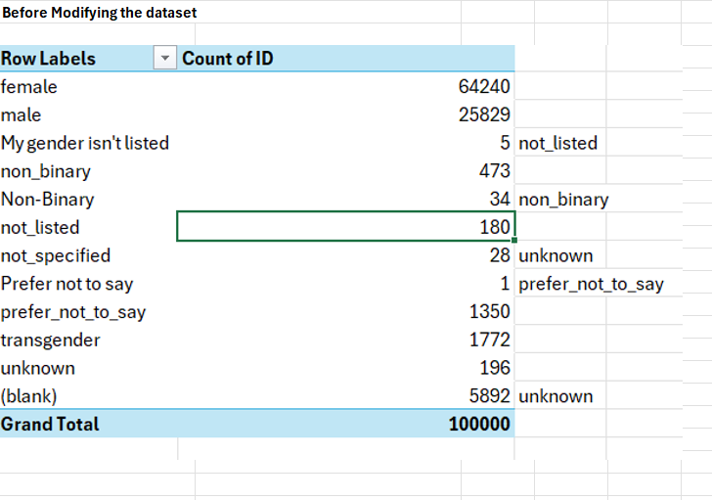

After modifying the dataset

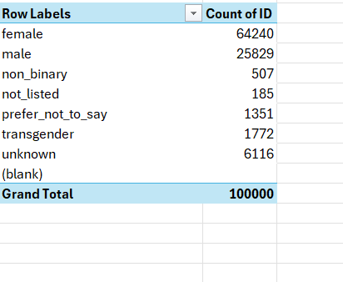

LANGUAGE
Replaced blank with en

Formula Used
Age Calculation | IF(C2<>"",DATEDIF(C2,TODAY(),"Y"),0)

BARCODE
Change in Data format from General => Numnber

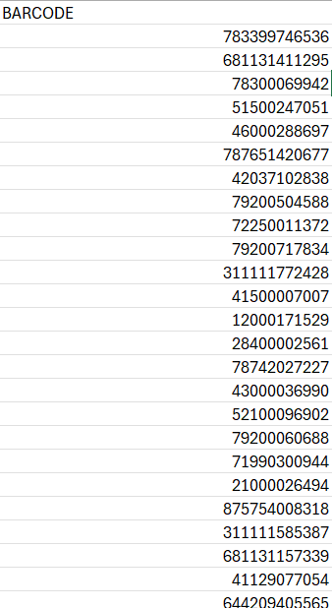

FINAL_QUANTITY
Converting zero to numerical 0
zero => 0

SCAN_DATE
BIRTH_DATE
CREATED_DATE

VBA Code | Created to convert Date format

2023-12-26 01:46:22.000 Z | 2023-12-26

Sub FormatDateTime()
Dim ws As Worksheet
Dim rng As Range
Dim cell As Range
Dim lastRow As Long

' Set the worksheet (modify "Sheet1" as needed)
Set ws = ThisWorkbook.Sheets("USER_TAKEHOME")

' Find the last row in column B
lastRow = ws.Cells(ws.Rows.Count, "B").End(xlUp).Row

' Set range for columns B and C
Set rng = ws.Range("B2:C" & lastRow)

' Loop through each cell and format the date
For Each cell In rng
If IsDate(cell.Value) Then
cell.Value = Format(cell.Value, "yyyy/mm/dd")
Else
cell.Value = Left(cell.Value, 10)
cell.Value = Replace(cell.Value, "-", "/")
End If
Next cell

MsgBox "Date format conversion completed!", vbInformation
End Sub

